Sheet1
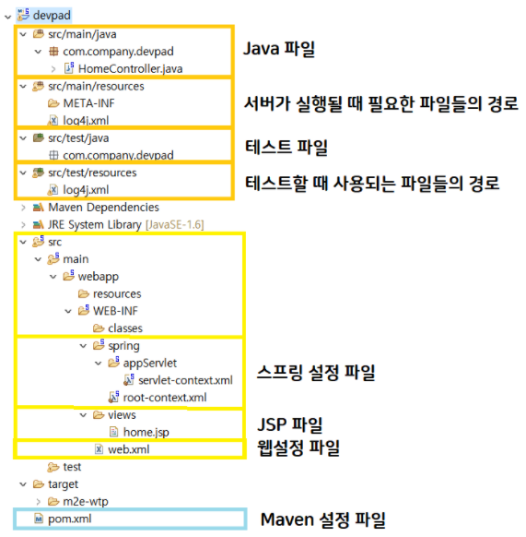
Srping 설정

Spring directory structure

